Sheet1
Figure 5.2 Worldwide patented inventions in environmentally relevant plastics technologies

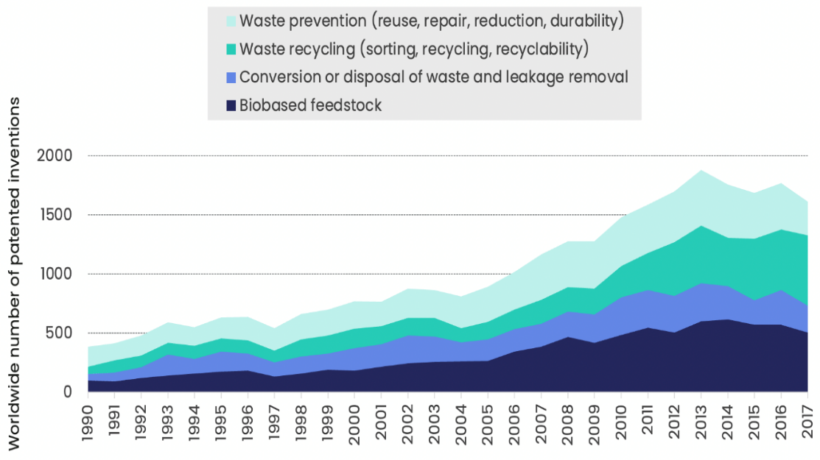

Source: Own calculationsn based on OECD, STI Micro-data Lab: Intellectual Property Database, http://oe.cd/ipstats, June 2020.

Year | Variables | Value
1990 | Prevention and recycling | 231
1991 | Prevention and recycling | 250
1992 | Prevention and recycling | 267
1993 | Prevention and recycling | 271
1994 | Prevention and recycling | 267
1995 | Prevention and recycling | 290
1996 | Prevention and recycling | 309
1997 | Prevention and recycling | 290
1998 | Prevention and recycling | 357
1999 | Prevention and recycling | 369
2000 | Prevention and recycling | 397
2001 | Prevention and recycling | 359
2002 | Prevention and recycling | 395
2003 | Prevention and recycling | 392
2004 | Prevention and recycling | 387
2005 | Prevention and recycling | 444
2006 | Prevention and recycling | 484
2007 | Prevention and recycling | 586
2008 | Prevention and recycling | 595
2009 | Prevention and recycling | 619
2010 | Prevention and recycling | 680
2011 | Prevention and recycling | 720
2012 | Prevention and recycling | 884
2013 | Prevention and recycling | 959
2014 | Prevention and recycling | 860
2015 | Prevention and recycling | 906
2016 | Prevention and recycling | 902
2017 | Prevention and recycling | 879
1990 | Waste prevention (reuse, repair, reduction, durability) | 169
1991 | Waste prevention (reuse, repair, reduction, durability) | 146
1992 | Waste prevention (reuse, repair, reduction, durability) | 168
1993 | Waste prevention (reuse, repair, reduction, durability) | 172
1994 | Waste prevention (reuse, repair, reduction, durability) | 156
1995 | Waste prevention (reuse, repair, reduction, durability) | 180
1996 | Waste prevention (reuse, repair, reduction, durability) | 197
1997 | Waste prevention (reuse, repair, reduction, durability) | 190
1998 | Waste prevention (reuse, repair, reduction, durability) | 215
1999 | Waste prevention (reuse, repair, reduction, durability) | 219
2000 | Waste prevention (reuse, repair, reduction, durability) | 232
2001 | Waste prevention (reuse, repair, reduction, durability) | 207
2002 | Waste prevention (reuse, repair, reduction, durability) | 244
2003 | Waste prevention (reuse, repair, reduction, durability) | 235
2004 | Waste prevention (reuse, repair, reduction, durability) | 269
2005 | Waste prevention (reuse, repair, reduction, durability) | 294
2006 | Waste prevention (reuse, repair, reduction, durability) | 318
2007 | Waste prevention (reuse, repair, reduction, durability) | 383
2008 | Waste prevention (reuse, repair, reduction, durability) | 391
2009 | Waste prevention (reuse, repair, reduction, durability) | 402
2010 | Waste prevention (reuse, repair, reduction, durability) | 413
2011 | Waste prevention (reuse, repair, reduction, durability) | 408
2012 | Waste prevention (reuse, repair, reduction, durability) | 431
2013 | Waste prevention (reuse, repair, reduction, durability) | 469
2014 | Waste prevention (reuse, repair, reduction, durability) | 452
2015 | Waste prevention (reuse, repair, reduction, durability) | 388
2016 | Waste prevention (reuse, repair, reduction, durability) | 390
2017 | Waste prevention (reuse, repair, reduction, durability) | 286
1990 | Waste recycling (sorting, recycling, recyclability) | 62
1991 | Waste recycling (sorting, recycling, recyclability) | 104
1992 | Waste recycling (sorting, recycling, recyclability) | 99
1993 | Waste recycling (sorting, recycling, recyclability) | 99
1994 | Waste recycling (sorting, recycling, recyclability) | 111
1995 | Waste recycling (sorting, recycling, recyclability) | 110
1996 | Waste recycling (sorting, recycling, recyclability) | 112
1997 | Waste recycling (sorting, recycling, recyclability) | 100
1998 | Waste recycling (sorting, recycling, recyclability) | 143
1999 | Waste recycling (sorting, recycling, recyclability) | 149
2000 | Waste recycling (sorting, recycling, recyclability) | 165
2001 | Waste recycling (sorting, recycling, recyclability) | 153
2002 | Waste recycling (sorting, recycling, recyclability) | 151
2003 | Waste recycling (sorting, recycling, recyclability) | 156
2004 | Waste recycling (sorting, recycling, recyclability) | 118
2005 | Waste recycling (sorting, recycling, recyclability) | 150
2006 | Waste recycling (sorting, recycling, recyclability) | 165
2007 | Waste recycling (sorting, recycling, recyclability) | 203
2008 | Waste recycling (sorting, recycling, recyclability) | 204
2009 | Waste recycling (sorting, recycling, recyclability) | 218
2010 | Waste recycling (sorting, recycling, recyclability) | 267
2011 | Waste recycling (sorting, recycling, recyclability) | 313
2012 | Waste recycling (sorting, recycling, recyclability) | 453
2013 | Waste recycling (sorting, recycling, recyclability) | 490
2014 | Waste recycling (sorting, recycling, recyclability) | 408
2015 | Waste recycling (sorting, recycling, recyclability) | 518
2016 | Waste recycling (sorting, recycling, recyclability) | 512
2017 | Waste recycling (sorting, recycling, recyclability) | 593
1990 | Conversion or disposal of waste and leakage removal | 54
1991 | Conversion or disposal of waste and leakage removal | 73
1992 | Conversion or disposal of waste and leakage removal | 93
1993 | Conversion or disposal of waste and leakage removal | 177
1994 | Conversion or disposal of waste and leakage removal | 123
1995 | Conversion or disposal of waste and leakage removal | 169
1996 | Conversion or disposal of waste and leakage removal | 144
1997 | Conversion or disposal of waste and leakage removal | 119
1998 | Conversion or disposal of waste and leakage removal | 146
1999 | Conversion or disposal of waste and leakage removal | 138
2000 | Conversion or disposal of waste and leakage removal | 192
2001 | Conversion or disposal of waste and leakage removal | 191
2002 | Conversion or disposal of waste and leakage removal | 237
2003 | Conversion or disposal of waste and leakage removal | 216
2004 | Conversion or disposal of waste and leakage removal | 163
2005 | Conversion or disposal of waste and leakage removal | 181
2006 | Conversion or disposal of waste and leakage removal | 191
2007 | Conversion or disposal of waste and leakage removal | 192
2008 | Conversion or disposal of waste and leakage removal | 218
2009 | Conversion or disposal of waste and leakage removal | 240
2010 | Conversion or disposal of waste and leakage removal | 317
2011 | Conversion or disposal of waste and leakage removal | 318
2012 | Conversion or disposal of waste and leakage removal | 308
2013 | Conversion or disposal of waste and leakage removal | 319
2014 | Conversion or disposal of waste and leakage removal | 282
2015 | Conversion or disposal of waste and leakage removal | 209
2016 | Conversion or disposal of waste and leakage removal | 292
2017 | Conversion or disposal of waste and leakage removal | 228
1990 | Biobased feedstock | 101
1991 | Biobased feedstock | 92
1992 | Biobased feedstock | 120
1993 | Biobased feedstock | 142
1994 | Biobased feedstock | 159
1995 | Biobased feedstock | 175
1996 | Biobased feedstock | 183
1997 | Biobased feedstock | 134
1998 | Biobased feedstock | 157
1999 | Biobased feedstock | 191
2000 | Biobased feedstock | 181
2001 | Biobased feedstock | 216
2002 | Biobased feedstock | 243
2003 | Biobased feedstock | 256
2004 | Biobased feedstock | 260
2005 | Biobased feedstock | 267
2006 | Biobased feedstock | 344
2007 | Biobased feedstock | 387
2008 | Biobased feedstock | 466
2009 | Biobased feedstock | 419
2010 | Biobased feedstock | 484
2011 | Biobased feedstock | 547
2012 | Biobased feedstock | 506
2013 | Biobased feedstock | 602
2014 | Biobased feedstock | 615
2015 | Biobased feedstock | 571
2016 | Biobased feedstock | 573
2017 | Biobased feedstock | 506

